Graphs
 | AXLE LOAD DATA ANALYSIS (MBARARA - KASESE HIGHWAY)
Load Description (Mbarara-Kasese Highway)
Truck Composition for Mbarara - Kasese Highway
Vehicle Categories |  |  |  |  |  | Load Description
 | Truck Type | Mbarara-Kasese | Kasese-Mbarara | Both Directions |  | Category | Mbarara-Kasese | Kasese-Mbarara
7 | Light/Medium Trucks | 15 | 11 | 26 |  | Agricultural produce | 0.0% | 7.7%
9 | Heavy Trucks | 3 | 0 | 3 |  | Perishable | 12.5% | 0.0%
10 | Truck/Trailer | 30 | 41 | 71 |  | Construction Material | 14.6% | 84.6%
 | Totals | 48 | 52 | 100 |  | Metal/machinery | 0.0% | 0.0%
 |  |  |  |  |  | Forestry products | 6.3% | 0.0%
 |  |  |  |  |  | Fuels | 6.3% | 0.0%
 |  |  |  |  |  | Chemical Products | 0.0% | 0.0%
 |  |  |  |  |  | Livestock | 6.3% | 0.0%
 |  |  |  |  |  | Household retail products | 50.0% | 3.8%
 |  |  |  |  |  | Empty | 4.2% | 3.8%
 |  |  |  |  |  | Others | 0.0% | 0.0%
 |  |  |  |  |  | Total | 48 | 52

Average Truck Loading (Mbarara-Kasese Higwhay)
Average Total Loading (Tonnes)
 | Truck Type | Mbarara-Kasese | Kasese-Mbarara | Both Directions | Veh. Load Limit
7 | Light/Medium Trucks | 13.6 | 15.5 | 14.5 | 18
9 | Heavy Trucks | 24.6 | 0.0 | 12.3 | 27
10 | Truck/Trailer | 40.2 | 44.4 | 42.3 | 54
 | Totals

 |  |  |  |  |  | Proportion of Overloaded Trucks
 |  |  |  |  |  |  | Truck Type | Mbarara-Kasese | Kasese-Mbarara | Both Directions
 |  |  |  |  |  |  | 0-4.9% | 79.2% | 71.2% | 75.2%
 |  |  |  |  |  |  | 5-25% | 18.8% | 28.8% | 23.8%
 |  |  |  |  |  |  | 25-50% | 0.0% | 0.0% | 0.0%
 |  |  |  |  |  |  | Over 50% | 2.1% | 0.0% | 1.0%
Percentage By Which Vehicles Are Overloaded (Mbarara-Kasese)
 |  |  |  |  |  |  |  | 48 | 52

Average Proportion of Overloaded Trucks (Mbarara-Kasese)
Proportion of Overloaded Trucks
 | Truck Type | Mbarara-Kasese | Kasese-Mbarara | Both Directions
7 | Light/Medium Trucks | 40.0% | 72.7% | 56.4%
9 | Heavy Trucks | 100.0% | 0.0% | 50.0%
10 | Truck/Trailer | 40.0% | 29.3% | 34.6%
 | Overall | 391.7% | 48.1%

KEY
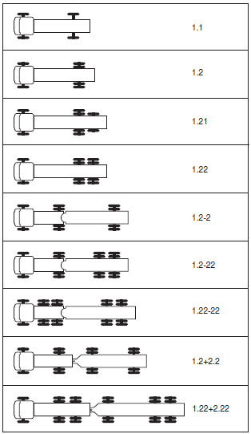
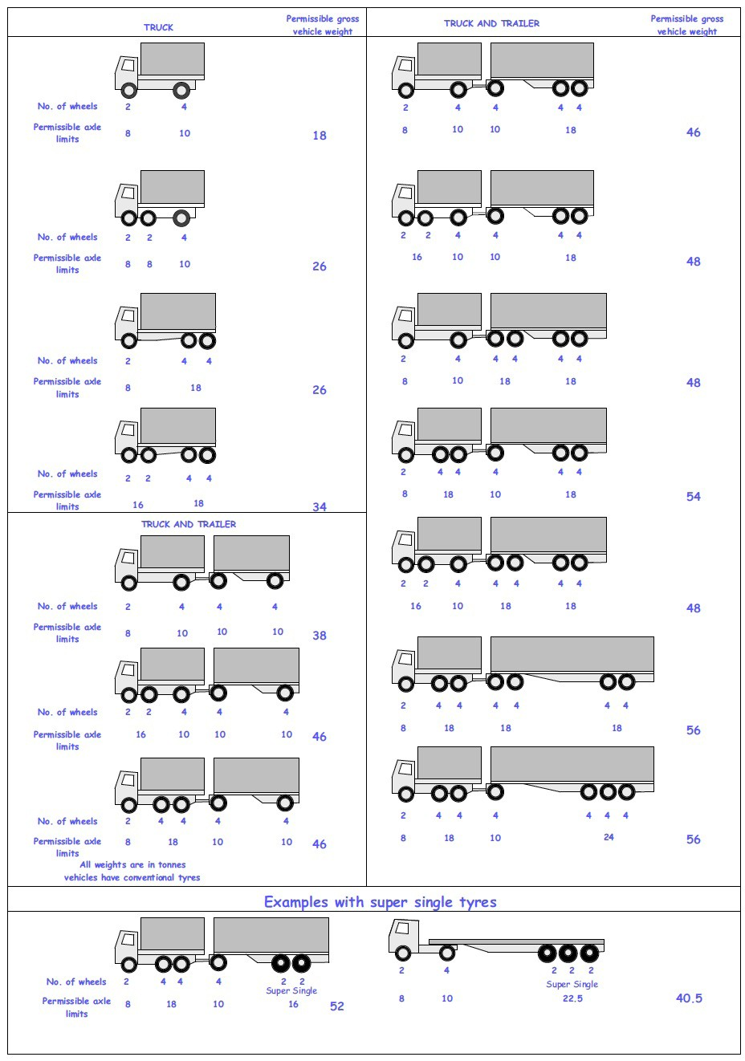
 |  |  |  |  | Axle Configuration
TRUCK TYPES |  |  |  |  | 2-Axles | 2-Axles | 3-Axle | 4-Axle | 5-Axle | 6-Axle | 7-Axle

7 | LIGHT SINGLE UNIT TRUCK-DYNAS AND TRACTORS(2 axles) |  |  |  | 1.1 | 1.2
8 | LIGHT/MEDIUM SINGLE UNIT TRUCKS (3 axles) |  |  |  |  |  | 1.22
9 | MEDIUM - SINGLE UNIT TRUCKS-LORRIES, FUSOS (4 axles) |  |  |  |  |  |  | 1.1-22
 |  |  |  |  |  |  |  | 1.222

10 | HEAVY TRUCK RIGID (5 axles) |  |  |  |  |  |  |  | 1.1-222
 |  |  |  |  |  |  |  |  | 1.2-222
 |  |  |  |  |  |  |  |  | 1.22-22
11 | TRUCK TRAILER AND SEMI TRAILER (6 axles) |  |  |  |  |  |  |  |  | 1.12-222
 |  |  |  |  |  |  |  |  |  | 1.22-222
 |  |  |  |  |  |  |  |  |  | 1.22+1-22
 |  |  |  |  |  |  |  |  |  | 1.22+2-22
 |  |  |  |  |  |  |  |  |  | 1.21-222
 |  |  |  |  |  |  |  |  |  | 1.22-111
12 | TRUCK TRAILER TYPE 2 (7 axles) |  |  |  |  |  |  |  |  |  | 1.11+11-11
 |  |  |  |  |  |  |  |  |  |  | 1.22+22-22
 |  |  |  |  |  |  |  |  |  |  | 1.12+11-22

 | 7. Light Truck
 | 8. Medium Truck
 | 9. Heavy truck
 | 10. Truck Trailer

 | 1*1 | Light Truck | 7 | 18
 | 1*2 | Light Truck | 7 | 18
 | 1*21 | Medium Truck | 8 | 26
 | 1*22 | Heavy Truck | 9 | 26
 | 1*2*2 | Truck Trailer | 10 | 46
 | 1*2*22 | Truck Trailer | 10 | 46
 | 1*22-22 | Truck Trailer | 10 | 46
 | 1*2*2*2 | Truck Trailer | 10 | 46
 | 1*22*2*22 | Truck Trailer | 10 | 46
 | 11*22 | Heavy Truck | 9 | 34

